Figure 2
 |  |  | Targeted poaching (2.1pa) | Livestock conflict - no body parts removed (1.6pa) | Livestock conflict - body parts removed (1.5pa) | Bushmeat poaching by-catch (0.6pa) | Unknown (0.3pa)
(8000 km2) | (8000 km2) | 2011 | 0 | 0 | 1 | 2 | 0
 |  | 2012 | 0 | 0 | 0 | 1 | 1
 | (11 000 km2) | 2013 | 0 | 5 | 1 | 1 | 0
 | (16 000 km2) | 2014 | 3 | 0 | 0 | 0 | 0
 |  | 2015 | 4 | 1 | 4 | 0 | 0
 |  | 2016 | 4 | 3 | 2 | 1 | 0
 |  | 2017 | 4 | 4 | 0 | 0 | 1
 |  | 2018 | 2 | 0 | 4 | 0 | 0
 | Total lions (n) | 2011-18 | 17 | 13 | 12 | 5 | 2

 | Mean |  | 2.1 | 1.6 | 1.5 | 0.6 | 0.3

Figure 3
 |  | Targeted poaching (2.1pa) | Livestock conflict - body parts removed (0.6pa) | Bushmeat poaching by-catch (0.6pa) | Unknown (0.1pa)
(8000 km2) | 2011 | 0 | 1 | 2 | 0
 | 2012 | 0 | 0 | 1 | 1
 | 2013 | 0 | 0 | 1 | 0
 | 2014 | 3 | 0 | 0 | 0
 | 2015 | 4 | 0 | 0 | 0
 | 2016 | 4 | 0 | 1 | 0
 | 2017 | 4 | 0 | 0 | 0
 | 2018 | 2 | 4 | 0 | 0
Total lions (n) | 2011-18 | 17 | 5 | 5 | 1

Mean |  | 2.125 | 0.625 | 0.625 | 0.125

Figure 4
 |  | Head/face & paws (2.4pa) | Skin/meat (1.1pa) | Skeleton/bones (0.3pa)
(8000 km2) | 2011 | 0 | 1 | 0
 | 2012 | 0 | 1 | 0
(11 000 km2) | 2013 | 0 | 1 | 0
(16 000 km2) | 2014 | 3 | 0 | 0
 | 2015 | 4 | 4 | 0
 | 2016 | 3 | 2 | 2
 | 2017 | 3 | 0 | 0
 | 2018 | 6 | 0 | 0
Total lions (n) | 2011-18 | 19 | 9 | 2

Mean |  | 2.4 | 1.1 | 0.3

Figure 5
 |  | Poison (3.8pa) | Snares or traps (2.0pa) | Shot (0.4pa)
(8000 km2) | 2011 | 0 | 3 | 0
 | 2012 | 0 | 1 | 1
(11 000 km2) | 2013 | 5 | 2 | 0
(16 000 km2) | 2014 | 3 | 0 | 0
 | 2015 | 5 | 4 | 0
 | 2016 | 4 | 4 | 2
 | 2017 | 7 | 2 | 0
 | 2018 | 6 | 0 | 0
Total lions (n) | 2011-18 | 30 | 16 | 3

Mean |  | 3.8 | 2.0 | 0.4

Bait type info.
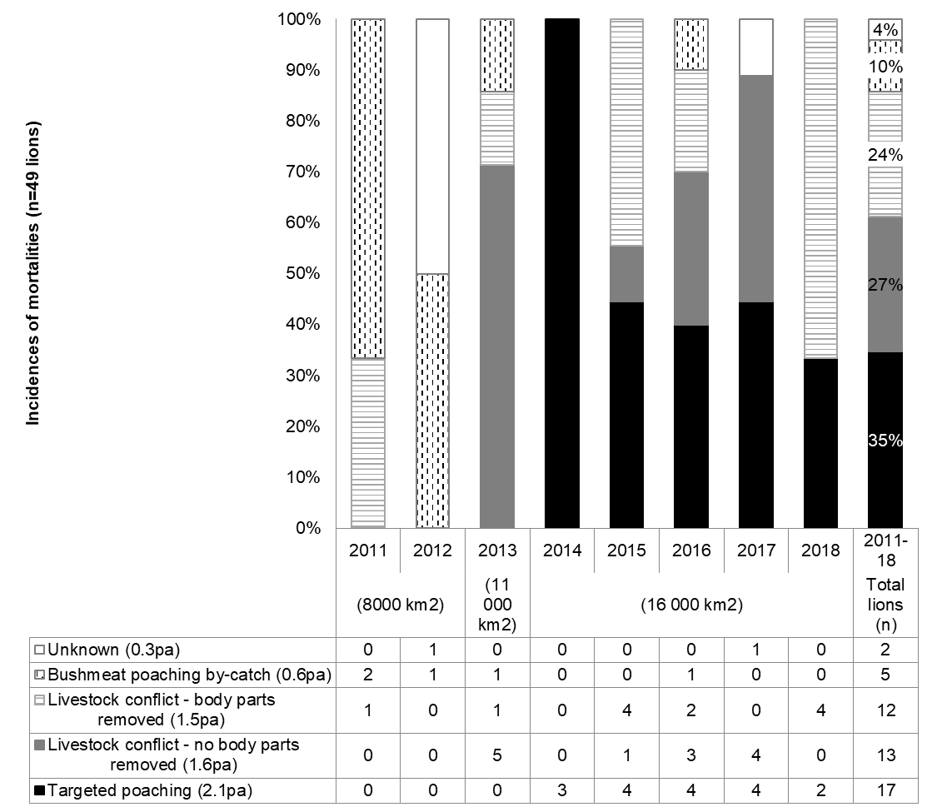
 |  | Wild ungulates as bait (excl. elephant) (1.5pa) | Poached elephant as bait (0.9pa)
(8000 km2) | 2011 | 0 | 0
 | 2012 | 0 | 0
(11 000 km2) | 2013 | 0 | 0
(16 000 km2) | 2014 | 3 | 0
 | 2015 | 0 | 4
 | 2016 | 3 | 2
 | 2017 | 4 | 1
 | 2018 | 2 | 0
Total |  | 12 | 7

Mean |  | 1.5 | 0.9

 |  | Wild ungulates as bait (excl. elephant) (1.5pa) | Poached elephant as bait (0.9pa)
(8000 km2) | 2011 | 0 | 0
 | 2012 | 0 | 0
(11 000 km2) | 2013 | 0 | 0
(16 000 km2) | 2014 | 3 | 0
 | 2015 | 0 | 4
 | 2016 | 3 | 2
 | 2017 | 4 | 1
 | 2018 | 2 | 0
Total |  | 12 | 7

Mean |  | 1.5 | 0.9

