Forest plot for sheet 2
Prevalence of Salmonellosis in poultry, Nigeria | Events | Sample Size | Outcome | SE | CI lower | CI upper |  | Rate | CI lower | CI upper
Abia | 58 | 240 | 0.242 | 0.032 | 0.179 | 0.304 | 1 | 24.167 | 6.220 | 54.553
Anambra | 102 | 220 | 0.464 | 0.046 | 0.374 | 0.554 | 2 | 46.364 | 8.998 | 101.725
Ebonyi | 110 | 259 | 0.425 | 0.040 | 0.345 | 0.504 | 3 | 42.471 | 7.937 | 92.879
Enugu | 84 | 458 | 0.183 | 0.020 | 0.144 | 0.223 | 4 | 18.341 | 3.922 | 40.603
Imo | 57 | 412 | 0.138 | 0.018 | 0.102 | 0.174 | 5 | 13.835 | 3.592 | 31.262
Akwa-Ibom | 48 | 366 | 0.131 | 0.019 | 0.094 | 0.168 | 6 | 13.115 | 3.710 | 29.940
Bayelsa | 30 | 310 | 0.097 | 0.018 | 0.062 | 0.131 | 7 | 9.677 | 3.463 | 22.818
Cross-river | 206 | 374 | 0.551 | 0.038 | 0.476 | 0.626 | 8 | 55.080 | 7.522 | 117.682
Edo | 352 | 786 | 0.448 | 0.024 | 0.401 | 0.495 | 9 | 44.784 | 4.678 | 94.246
Delta | 43 | 150 | 0.287 | 0.044 | 0.201 | 0.372 | 10 | 28.667 | 8.568 | 65.902
Rivers | 11 | 22 | 0.500 | 0.151 | 0.205 | 0.795 | 11 | 50.000 | 29.548 | 129.548
Ekiti | 4 | 50 | 0.080 | 0.040 | 0.002 | 0.158 | 12 | 8.000 | 7.840 | 23.840
Ogun | 92 | 131 | 0.702 | 0.073 | 0.559 | 0.846 | 13 | 70.229 | 14.351 | 154.809
Ondo | 114 | 384 | 0.297 | 0.028 | 0.242 | 0.351 | 14 | 29.688 | 5.450 | 64.825
Osun | 114 | 384 | 0.297 | 0.028 | 0.242 | 0.351 | 15 | 29.688 | 5.450 | 64.825
Oyo | 81 | 366 | 0.221 | 0.025 | 0.173 | 0.270 | 16 | 22.131 | 4.820 | 49.082
Lagos | 21 | 34 | 0.618 | 0.135 | 0.353 | 0.882 | 17 | 61.765 | 26.417 | 149.947
Kogi | 15 | 102 | 0.147 | 0.038 | 0.073 | 0.221 | 18 | 14.706 | 7.442 | 36.854
Niger | 29 | 98 | 0.296 | 0.055 | 0.188 | 0.404 | 19 | 29.592 | 10.770 | 69.954
Nasarawa | 305 | 3170 | 0.096 | 0.006 | 0.085 | 0.107 | 20 | 9.621 | 1.080 | 20.323
Kwara | 18 | 100 | 0.180 | 0.042 | 0.097 | 0.263 | 21 | 18.000 | 8.316 | 44.316
Benue | 117 | 688 | 0.170 | 0.016 | 0.139 | 0.201 | 22 | 17.006 | 3.081 | 37.093
Plateau | 314 | 854 | 0.368 | 0.021 | 0.327 | 0.408 | 23 | 36.768 | 4.067 | 77.603
Taraba | 96 | 500 | 0.192 | 0.020 | 0.154 | 0.230 | 24 | 19.200 | 3.841 | 42.241
Borno | 130 | 525 | 0.248 | 0.022 | 0.205 | 0.290 | 25 | 24.762 | 4.257 | 53.780
Adamawa | 39 | 196 | 0.199 | 0.032 | 0.137 | 0.261 | 26 | 19.898 | 6.245 | 46.041
Bauchi | 12 | 21 | 0.571 | 0.165 | 0.248 | 0.895 | 27 | 57.143 | 32.332 | 146.617
Gombe | 3 | 11 | 0.273 | 0.157 | -0.036 | 0.581 | 28 | 27.273 | 30.862 | 85.407
 | Data
24.167 | 1 | 31.6 | 0
46.364 | 2 | 31.6 | 0
42.471 | 3 | 31.6 | 0
18.341 | 4 | 31.6 | 0
13.835 | 5 | 31.6 | 0
13.115 | 6 | 31.6 | 0
9.677 | 7 | 31.6 | 0
55.080 | 8 | 31.6 | 0
44.784 | 9 | 31.6 | 0
28.667 | 10 | 31.6 | 0
50.000 | 11 | 31.6 | 0
8.000 | 12 | 31.6 | 0
70.229 | 13 | 31.6 | 0
29.688 | 14 | 31.6 | 0
29.688 | 15 | 31.6 | 0
22.131 | 16 | 31.6 | 0
61.765 | 17 | 31.6 | 0
14.706 | 18 | 31.6 | 0
29.592 | 19 | 31.6 | 0
9.621 | 20 | 31.6 | 0
18.000 | 21 | 31.6 | 0
17.006 | 22 | 31.6 | 0
36.768 | 23 | 31.6 | 0
19.200 | 24 | 31.6 | 0
24.762 | 25 | 31.6 | 0
19.898 | 26 | 31.6 | 0
57.143 | 27 | 31.6 | 0
27.273 | 28 | 31.6 | 0
29.688 | 29 | 31.6 | 0
16.327 | 30 | 31.6 | 0
29.688 | 31 | 31.6 | 0
20.025 | 32 | 31.6 | 0
46.667 | 33 | 31.6 | 0
30.769 | 34 | 31.6 | 0
35.417 | 35 | 31.6 | 0
48.387 | 36 | 31.6 | 0
58.182 | 37 | 31.6 | 0
44.988 | 38 | 31.6 | 0
31.634 |  | 31.6 | 38
Yobe | 114 | 384 | 0.297 | 0.028 | 0.242 | 0.351 | 29 | 29.688 | 5.450 | 64.825
F.C.T, Abuja | 16 | 98 | 0.163 | 0.041 | 0.083 | 0.243 | 30 | 16.327 | 8.000 | 40.653
Jigawa | 114 | 384 | 0.297 | 0.028 | 0.242 | 0.351 | 31 | 29.688 | 5.450 | 64.825
Kaduna | 162 | 809 | 0.200 | 0.016 | 0.169 | 0.231 | 32 | 20.025 | 3.084 | 43.133
Kano | 21 | 45 | 0.467 | 0.102 | 0.267 | 0.666 | 33 | 46.667 | 19.960 | 113.293
Katsina | 12 | 39 | 0.308 | 0.089 | 0.134 | 0.482 | 34 | 30.769 | 17.409 | 78.948
Kebbi | 17 | 48 | 0.354 | 0.086 | 0.186 | 0.523 | 35 | 35.417 | 16.836 | 87.669
Sokoto | 30 | 62 | 0.484 | 0.088 | 0.311 | 0.657 | 36 | 48.387 | 17.315 | 114.089
Zamfara | 32 | 55 | 0.582 | 0.103 | 0.380 | 0.783 | 37 | 58.182 | 20.159 | 136.523
Multistate-NG | 570 | 1267 | 0.450 | 0.019 | 0.413 | 0.487 | 38 | 44.988 | 3.693 | 93.670
Summary |  |  | 0.316 | 0.005 | 0.307 | 0.326 |  | 31.634 | 0.921 | 64.190

 | Central Tendency |  |  | Graph:
 | Abia | 31.6
 | Anambra | 31.6
 | Ebonyi | 31.6
 | Enugu | 31.6
 | Imo | 31.6
 | Akwa-Ibom | 31.6
 | Bayelsa | 31.6
 | Cross-river | 31.6
 | Edo | 31.6
 | Delta | 31.6
 | Rivers | 31.6
 | Ekiti | 31.6
 | Ogun | 31.6
 | Ondo | 31.6
 | Osun | 31.6
 | Oyo | 31.6
 | Lagos | 31.6
 | Kogi | 31.6
 | Niger | 31.6
 | Nasarawa | 31.6
 | Kwara | 31.6
 | Benue | 31.6
 | Plateau | 31.6
 | Taraba | 31.6
 | Borno | 31.6
 | Adamawa | 31.6
 | Bauchi | 31.6
 | Gombe | 31.6
 | Yobe | 31.6
 | F.C.T, Abuja | 31.6
 | Jigawa | 31.6
 | Kaduna | 31.6
 | Kano | 31.6
 | Katsina | 31.6
 | Kebbi | 31.6
 | Sokoto | 31.6
 | Zamfara | 31.6
 | Multistate-NG | 31.6
 | 38 | 31.6

Sheet 3
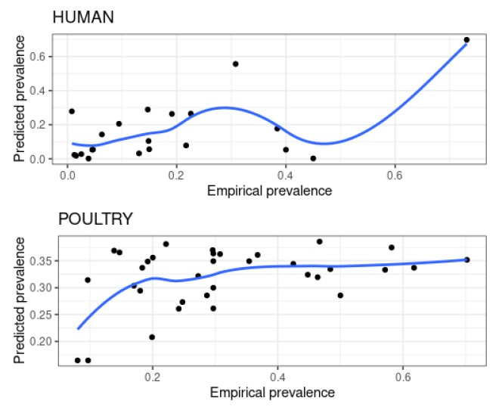

Supplementary Figure 1: Correlation analysis of empirical vs predicted prevalence of NTS in humans and salmonellosis in poultry. a) Empirical vs predicted prevalence of NTS in humans; b) Empirical vs predicted prevalence of salmonellosis in poultry.

